Blad1
Gender | Name: | Description | Model | Colore | Picture |  | XS | S | M | L | XL | XXL | TOT | Retail
MEN | Boxer 2pack | UMBX-ROCCOTWOPACK Boxer 2pack | 00S9T9 | 01 | 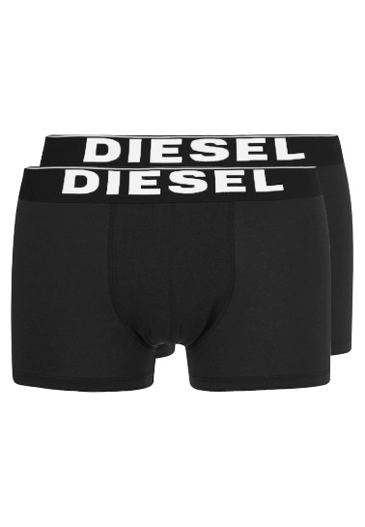 | Black/Black | 17 | 60 | 879 | 984 | 469 | 229 | 2638 | € 39.95
MEN | Boxer 2pack | UMBX-ROCCOTWOPACK Boxer 2pack | 00S9T9 | 02 | 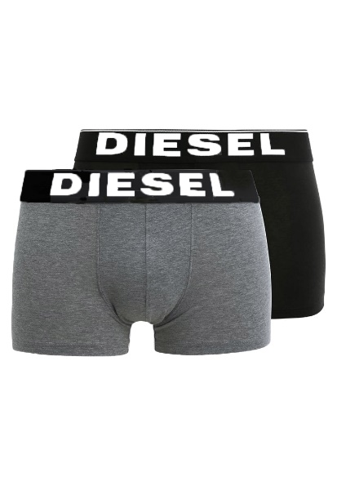 | Black/Grey | 17 | 34 | 317 | 191 | 93 | 50 | 702 | € 39.95
MEN | Boxer 2pack | UMBX-ROCCOTWOPACK Boxer 2pack | 00S9T9 | 03 | 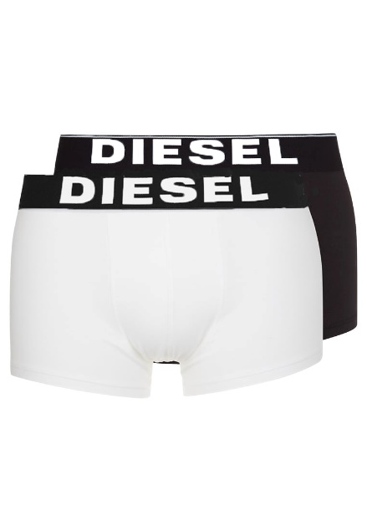 | Black/white | 17 | 33 | 833 | 841 | 414 | 214 | 2352 | € 39.95
 |  |  |  |  |  |  | 51 | 127 | 2029 | 2016 | 976 | 493 | 5692

